U
U attenuation fator
 | digitized |  | fitted |  | 4-11 um
1.22998 | 0.97402 | 10 | 0.79382883836 | 1 | 0.97773
1.31756 | 0.97098 | 11 | 0.76896048427 | 2 | 0.95645
1.41137 | 0.96946 | 12 | 0.74509755349 | 3 | 0.93517
1.51186 | 0.96641 | 13 | 0.72219705727 | 4 | 0.91389
1.6195 | 0.96489 | 14 | 0.70021786788 | 5 | 0.89261
1.73481 | 0.96033 | 15 | 0.67912063782 | 6 | 0.87133
1.84558 | 0.95881 | 16 | 0.65886772255 | 7 | 0.85005
1.97699 | 0.95881 | 17 | 0.63942310659 | 8 | 0.82877
2.11775 | 0.95424 | 18 | 0.62075233281 | 9 | 0.80749
2.26853 | 0.94968 | 19 | 0.60282243478 | 10 | 0.78621
2.43005 | 0.94815 | 20 | 0.5856018721 | 11 | 0.76493
2.60307 | 0.94511 | 22 | 0.55316935264 | 12 | 0.74365
2.7884 | 0.94055 | 24 | 0.52322868619 | 13 | 0.72237
2.98694 | 0.93598 | 26 | 0.49557290952 | 14 | 0.70109
3.17767 | 0.93294 | 28 | 0.47001256074
3.40392 | 0.92685 | 30 | 0.44637419351
3.59646 | 0.92229 | 32 | 0.42449901754
3.7999 | 0.91772 | 34 | 0.40424165459 | 7.5 | 0.83941
4.04255 | 0.91316 | 36 | 0.38546900016
4.27121 | 0.90555 | 38 | 0.36805918186
4.57532 | 0.89946 | 40 | 0.35190060632
4.86749 | 0.89642 | 45 | 0.31632876068
5.14282 | 0.88881 | 50 | 0.28658624685
5.39648 | 0.88272 | 55 | 0.26156854949
5.74108 | 0.87816 | 60 | 0.24038855877
6.02425 | 0.86903 | 65 | 0.22233339492
6.36501 | 0.86294 | 70 | 0.20682982452
6.72504 | 0.85685 | 75 | 0.19341655806
7.00838 | 0.84924 | 80 | 0.18172205876
7.35405 | 0.84164 | 85 | 0.1714467656
7.71677 | 0.83403 | 90 | 0.16234885172
8.09739 | 0.82794 | 95 | 0.15423281451
8.43854 | 0.82033 | 100 | 0.14694033367
8.79406 | 0.8112 | 105 | 0.140342946
9.16456 | 0.80359 | 110 | 0.13433617508
9.42019 | 0.79751 | 115 | 0.12883482659
9.68295 | 0.79599 | 120 | 0.12376921712
9.81707 | 0.79142 | 125 | 0.11908215082
10.16054 | 0.78077 | 130 | 0.11472649518
10.58861 | 0.77316 | 135 | 0.11066323667
11.11087 | 0.76403 | 140 | 0.10685992083
11.65889 | 0.74881 | 145 | 0.10328940053
12.15009 | 0.74273 | 150 | 0.099928830913
12.57519 | 0.73208 | 155 | 0.096758862224
13.01517 | 0.72142 | 160 | 0.093762991102
13.47054 | 0.71229 | 165 | 0.090927038936
14.13495 | 0.70012 | 170 | 0.088238732058
14.62949 | 0.68947 | 175 | 0.085687363599
15.24584 | 0.68034 | 180 | 0.083263520831
15.77926 | 0.66664 | 185 | 0.080958865028
...
Digitizered by origin from the Fig. 3 of Brennan (1991) |  |  | fit the digitized data in origin |  |  | 10-250um |  | fit the digitized data in origin |  | 1-12 um
 | grainsize | attenuation | grainsize | attenuation |  | Model | ExpDec2 | grainsize | attenuation |  | Equation | y = a + b*x
 | 1.22998 | 0.97402 | 10 | 0.79382883836 |  | Equation | y = A1*exp(-x/t1) + A2*exp(-x/t2) + y0 | 1 | 0.97773 |  | Intercept | 0.99901
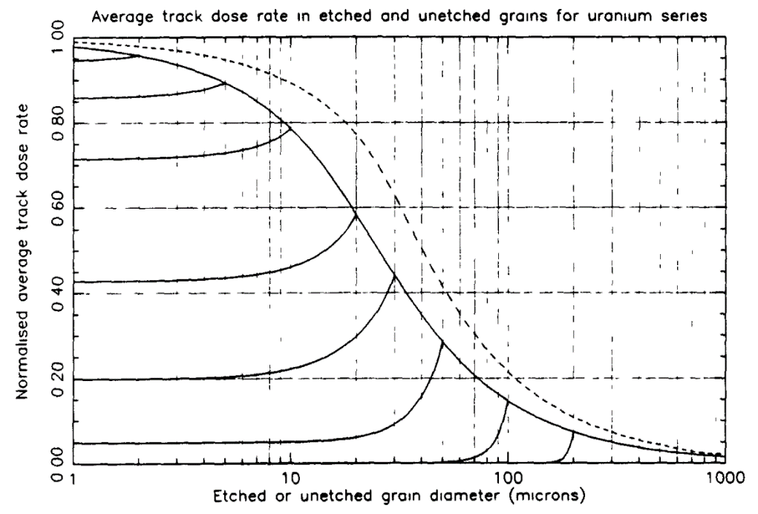
 | 1.31756 | 0.97098 | 11 | 0.76896048427 |  | Plot | Attenuation | 2 | 0.95645 |  | Slope | -0.02128
 | 1.41137 | 0.96946 | 12 | 0.74509755349 |  | y0 | 0.03279 | 3 | 0.93517 |  | Residual Sum of Squares | 7.14E-05
 | 1.51186 | 0.96641 | 13 | 0.72219705727 |  | A1 | 0.8144 | 4 | 0.91389 |  | Pearson's r | -0.99983
 | 1.6195 | 0.96489 | 14 | 0.70021786788 |  | t1 | 22.51891 | 5 | 0.89261 |  | R-Square (COD) | 0.99966
 | 1.73481 | 0.96033 | 15 | 0.67912063782 |  | A2 | 0.26159 | 6 | 0.87133 |  | Adj. R-Square | 0.99965
 | 1.84558 | 0.95881 | 16 | 0.65886772255 |  | t2 | 109.03846 | 7 | 0.85005
 | 1.97699 | 0.95881 | 17 | 0.63942310659 |  | Reduced Chi-Sqr | 8.15E-06 | 8 | 0.82877
 | 2.11775 | 0.95424 | 18 | 0.62075233281 |  | R-Square (COD) | 0.99984 | 9 | 0.80749
 | 2.26853 | 0.94968 | 19 | 0.60282243478 |  | Adj. R-Square | 0.99984 | 10 | 0.78621
 | 2.43005 | 0.94815 | 20 | 0.5856018721 |  |  |  | 11 | 0.76493
 | 2.60307 | 0.94511 | 22 | 0.55316935264 |  |  |  | 12 | 0.74365
 | 2.7884 | 0.94055 | 24 | 0.52322868619 |  |  |  | 13 | 0.72237
 | 2.98694 | 0.93598 | 26 | 0.49557290952 |  |  |  | 14 | 0.70109
 | 3.17767 | 0.93294 | 28 | 0.47001256074
 | 3.40392 | 0.92685 | 30 | 0.44637419351
 | 3.59646 | 0.92229 | 32 | 0.42449901754
 | 3.7999 | 0.91772 | 34 | 0.40424165459 |  |  |  | 7.5 | 0.83941
 | 4.04255 | 0.91316 | 36 | 0.38546900016
 | 4.27121 | 0.90555 | 38 | 0.36805918186
 | 4.57532 | 0.89946 | 40 | 0.35190060632
 | 4.86749 | 0.89642 | 45 | 0.31632876068
 | 5.14282 | 0.88881 | 50 | 0.28658624685
 | 5.39648 | 0.88272 | 55 | 0.26156854949
 | 5.74108 | 0.87816 | 60 | 0.24038855877
 | 6.02425 | 0.86903 | 65 | 0.22233339492
 | 6.36501 | 0.86294 | 70 | 0.20682982452
 | 6.72504 | 0.85685 | 75 | 0.19341655806
 | 7.00838 | 0.84924 | 80 | 0.18172205876
 | 7.35405 | 0.84164 | 85 | 0.1714467656
 | 7.71677 | 0.83403 | 90 | 0.16234885172
 | 8.09739 | 0.82794 | 95 | 0.15423281451
 | 8.43854 | 0.82033 | 100 | 0.14694033367
 | 8.79406 | 0.8112 | 105 | 0.140342946
 | 9.16456 | 0.80359 | 110 | 0.13433617508
 | 9.42019 | 0.79751 | 115 | 0.12883482659
 | 9.68295 | 0.79599 | 120 | 0.12376921712
 | 9.81707 | 0.79142 | 125 | 0.11908215082
 | 10.16054 | 0.78077 | 130 | 0.11472649518
 | 10.58861 | 0.77316 | 135 | 0.11066323667
 | 11.11087 | 0.76403 | 140 | 0.10685992083
 | 11.65889 | 0.74881 | 145 | 0.10328940053
 | 12.15009 | 0.74273 | 150 | 0.099928830913
 | 12.57519 | 0.73208 | 155 | 0.096758862224
 | 13.01517 | 0.72142 | 160 | 0.093762991102
 | 13.47054 | 0.71229 | 165 | 0.090927038936
 | 14.13495 | 0.70012 | 170 | 0.088238732058
 | 14.62949 | 0.68947 | 175 | 0.085687363599
 | 15.24584 | 0.68034 | 180 | 0.083263520831
 | 15.77926 | 0.66664 | 185 | 0.080958865028
 | 16.33134 | 0.65751 | 190 | 0.078765953488
 | 16.90273 | 0.64534 | 195 | 0.076678095377
 | 17.37421 | 0.63317 | 200 | 0.074689234746
 | 17.98209 | 0.62099 | 205 | 0.072793855368
 | 18.73969 | 0.61186 | 210 | 0.070986903132
 | 19.2624 | 0.60273 | 215 | 0.069263722543
 | 20.21248 | 0.58752 | 220 | 0.06762000459
 | 20.49244 | 0.57534 | 225 | 0.066051743775
 | 21.3558 | 0.56773 | 230 | 0.064555202529
 | 22.10299 | 0.55556 | 235 | 0.063126881605
 | 22.71952 | 0.54491 | 240 | 0.061763495294
 | 23.51442 | 0.52969 | 245 | 0.060461950566
 | 24.50509 | 0.51448 | 250 | 0.059219329392
 | 25.18863 | 0.50535 | 150 | 0.099928830913
 | 26.06992 | 0.49317 | 200 | 0.074689234746
 | 26.98204 | 0.481 | 175 | 0.085687363599 | 0.012619798084
 | 27.73466 | 0.4673
 | 28.70503 | 0.45665
 | 29.70935 | 0.44752
 | 30.53805 | 0.43991
 | 31.38986 | 0.42926
 | 32.26543 | 0.41861
 | 33.39432 | 0.40644
 | 34.56271 | 0.39426
 | 35.52678 | 0.38513
 | 37.27907 | 0.37448
 | 38.31891 | 0.36231
 | 39.6596 | 0.35318
 | 40.76584 | 0.34253
 | 42.77654 | 0.33492
 | 44.27318 | 0.32274
 | 45.50812 | 0.31057
 | 47.75271 | 0.29992
 | 48.41413 | 0.29688
 | 49.76457 | 0.28927
 | 50.45385 | 0.2847
 | 52.5795 | 0.27557
 | 54.41913 | 0.26492
 | 57.10325 | 0.25427
 | 59.10115 | 0.24514
 | 60.74969 | 0.23601
 | 63.74604 | 0.22688
 | 66.89019 | 0.21927
 | 69.23052 | 0.21014
 | 72.14724 | 0.20253
 | 72.64517 | 0.19949
 | 75.70576 | 0.19188
 | 78.89529 | 0.18579
 | 82.2192 | 0.17666
 | 86.86993 | 0.16906
 | 91.15462 | 0.16297
 | 95.65064 | 0.15384
 | 105.31889 | 0.14014
 | 109.75604 | 0.13254
 | 115.16954 | 0.12797
 | 120.0217 | 0.12188
 | 126.81073 | 0.11732
 | 133.06542 | 0.11123
 | 140.59226 | 0.10667
 | 148.54486 | 0.09906
 | 156.94731 | 0.09449
 | 165.82503 | 0.08993
 | 175.20492 | 0.08536
 | 183.84656 | 0.0808
 | 196.9363 | 0.07776
 | 206.64979 | 0.07319
 | 221.36311 | 0.0671
 | 235.49869 | 0.06254
 | 252.26603 | 0.0595
 | 270.22719 | 0.05645
 | 289.46718 | 0.05341
 | 305.84089 | 0.04732
 | 327.61655 | 0.04732
 | 350.94261 | 0.04123
 | 375.92948 | 0.04123
 | 402.69539 | 0.03667
 | 431.36702 | 0.03363
 | 462.08005 | 0.03363
 | 494.97982 | 0.03058

Th
Th attenuation factor
 | digitized |  | fitted |  | 4-11um
1.03525 | 0.97716 | 10 | 0.82855944592 | 1 | 0.97728
1.10807 | 0.97565 | 11 | 0.80775811208 | 2 | 0.95976
1.18602 | 0.97262 | 12 | 0.78760439222 | 3 | 0.94224
1.26945 | 0.97413 | 13 | 0.76807742816 | 4 | 0.92472
1.35875 | 0.9711 | 14 | 0.74915703611 | 5 | 0.9072
1.45433 | 0.96959 | 15 | 0.73082368479 | 6 | 0.88968
1.55663 | 0.96656 | 16 | 0.7130584744 | 7 | 0.87216
1.66613 | 0.96505 | 17 | 0.69584311615 | 8 | 0.85464
1.77125 | 0.96353 | 18 | 0.67915991249 | 9 | 0.83712
1.89585 | 0.9605 | 19 | 0.66299173804 | 10 | 0.8196
2.02921 | 0.95747 | 20 | 0.64732202101 | 11 | 0.80208
2.17196 | 0.95747 | 22 | 0.61741433344
2.32474 | 0.95293 | 24 | 0.58931468208
2.48828 | 0.95141 | 26 | 0.56290866988
2.66332 | 0.94687 | 28 | 0.53808917589
2.85067 | 0.94232 | 30 | 0.51475589223
3.05119 | 0.94232 | 32 | 0.49281489048
3.26583 | 0.93778 | 34 | 0.47217821567
3.49556 | 0.93324 | 36 | 0.45276350619
3.74146 | 0.93172 | 38 | 0.43449363773
4.00465 | 0.92718 | 40 | 0.41729639007
4.22847 | 0.92112 | 45 | 0.37856269008
4.52592 | 0.91657 | 50 | 0.34517733958
4.77888 | 0.91051 | 55 | 0.3163387625
5.11505 | 0.90446 | 60 | 0.29136673958
5.43777 | 0.90143 | 65 | 0.26968401336
5.78086 | 0.89537 | 70 | 0.25080068194
6.14559 | 0.88779 | 75 | 0.23430095854
6.5779 | 0.88173 | 80 | 0.21983193829
6.99292 | 0.87568 | 85 | 0.20709406796
7.28405 | 0.86507 | 90 | 0.19583306041
7.63905 | 0.85901 | 95 | 0.18583303479
8.066 | 0.84992 | 100 | 0.17691069666
8.28835 | 0.84841 | 105 | 0.16891040033
8.81128 | 0.84084 | 110 | 0.16169995975
9.17811 | 0.83326 | 115 | 0.15516709438
9.69108 | 0.82417 | 120 | 0.1492164139
10.1634 | 0.8166 | 125 | 0.14376685991
10.58652 | 0.80903 | 130 | 0.13874953553
11.02725 | 0.79994 | 135 | 0.1341058639
11.56469 | 0.79388 | 140 | 0.12978602587
11.723 | 0.78933 | 145 | 0.12574763448
12.21104 | 0.78176 | 150 | 0.12195461037
12.71941 | 0.77267 | 155 | 0.11837622762
13.33932 | 0.76207 | 160 | 0.11498630422
13.89466 | 0.75298 | 165 | 0.1117625152
14.57184 | 0.74086 | 170 | 0.1086858099
15.38627 | 0.72723 | 175 | 0.10573991754
16.13615 | 0.71511 | 180 | 0.10291092764
17.03801 | 0.70148 | 185 | 0.10018693413
...
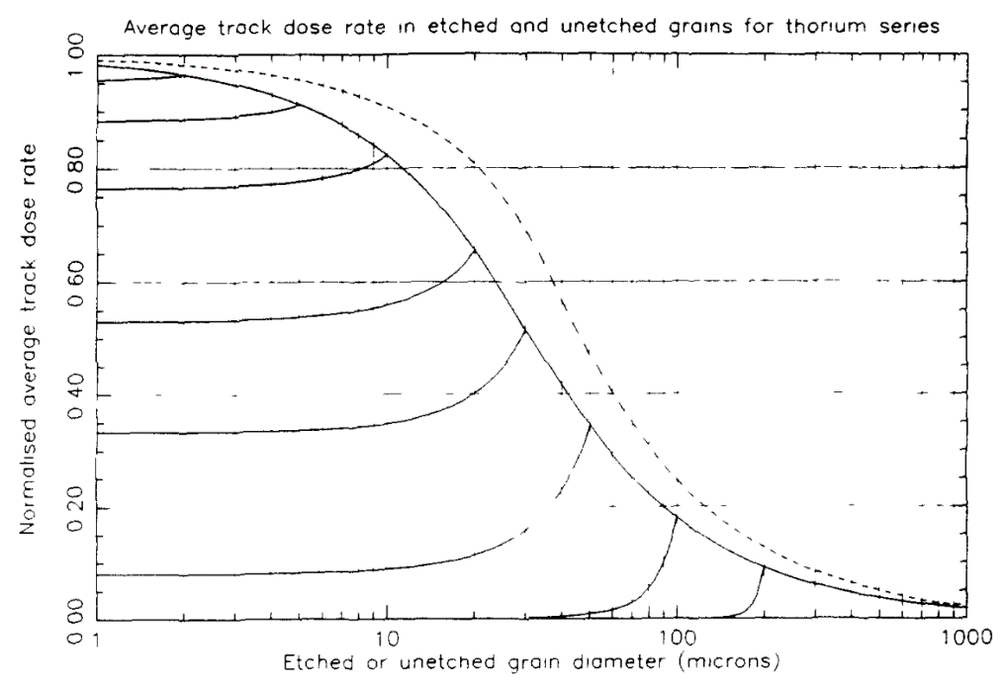
Digitizered by origin from the Fig. 4 of Brennan (1991) |  |  | fit the digitized data in origin |  | 10-250um |  | fit the digitized data in origin |  | 1-12 um
 | grainsize | attenuation | grainsize | attenuation | Model | ExpDec2 | grainsize | attenuation | Equation | y = a + b*x
 | 1.03525 | 0.97716 | 10 | 0.82855944592 | Equation | y = A1*exp(-x/t1) + A2*exp(-x/t2) + y0 | 1 | 0.97728 | Intercept | 0.9948
 | 1.10807 | 0.97565 | 11 | 0.80775811208 | Plot | Th attenuation | 2 | 0.95976 | Slope | -0.01752
 | 1.18602 | 0.97262 | 12 | 0.78760439222 | y0 | -0.03402 | 3 | 0.94224 | Residual Sum of Squares | 9.02E-05
 | 1.26945 | 0.97413 | 13 | 0.76807742816 | A1 | 0.85581 | 4 | 0.92472 | Pearson's r | -0.99971
 | 1.35875 | 0.9711 | 14 | 0.74915703611 | t1 | 30.41283 | 5 | 0.9072 | R-Square (COD) | 0.99942
 | 1.45433 | 0.96959 | 15 | 0.73082368479 | A2 | 0.25552 | 6 | 0.88968 | Adj. R-Square | 0.99941
 | 1.55663 | 0.96656 | 16 | 0.7130584744 | t2 | 280.91049 | 7 | 0.87216
 | 1.66613 | 0.96505 | 17 | 0.69584311615 | Reduced Chi-Sqr | 1.37E-05 | 8 | 0.85464
 | 1.77125 | 0.96353 | 18 | 0.67915991249 | R-Square (COD) | 0.99977 | 9 | 0.83712
 | 1.89585 | 0.9605 | 19 | 0.66299173804 | Adj. R-Square | 0.99975 | 10 | 0.8196
 | 2.02921 | 0.95747 | 20 | 0.64732202101 |  |  | 11 | 0.80208
 | 2.17196 | 0.95747 | 22 | 0.61741433344
 | 2.32474 | 0.95293 | 24 | 0.58931468208
 | 2.48828 | 0.95141 | 26 | 0.56290866988
 | 2.66332 | 0.94687 | 28 | 0.53808917589 |  |  | 7.5 | 0.8634
 | 2.85067 | 0.94232 | 30 | 0.51475589223
 | 3.05119 | 0.94232 | 32 | 0.49281489048
 | 3.26583 | 0.93778 | 34 | 0.47217821567
 | 3.49556 | 0.93324 | 36 | 0.45276350619
 | 3.74146 | 0.93172 | 38 | 0.43449363773
 | 4.00465 | 0.92718 | 40 | 0.41729639007
 | 4.22847 | 0.92112 | 45 | 0.37856269008
 | 4.52592 | 0.91657 | 50 | 0.34517733958
 | 4.77888 | 0.91051 | 55 | 0.3163387625
 | 5.11505 | 0.90446 | 60 | 0.29136673958
 | 5.43777 | 0.90143 | 65 | 0.26968401336
 | 5.78086 | 0.89537 | 70 | 0.25080068194
 | 6.14559 | 0.88779 | 75 | 0.23430095854
 | 6.5779 | 0.88173 | 80 | 0.21983193829
 | 6.99292 | 0.87568 | 85 | 0.20709406796
 | 7.28405 | 0.86507 | 90 | 0.19583306041
 | 7.63905 | 0.85901 | 95 | 0.18583303479
 | 8.066 | 0.84992 | 100 | 0.17691069666
 | 8.28835 | 0.84841 | 105 | 0.16891040033
 | 8.81128 | 0.84084 | 110 | 0.16169995975
 | 9.17811 | 0.83326 | 115 | 0.15516709438
 | 9.69108 | 0.82417 | 120 | 0.1492164139
 | 10.1634 | 0.8166 | 125 | 0.14376685991
 | 10.58652 | 0.80903 | 130 | 0.13874953553
 | 11.02725 | 0.79994 | 135 | 0.1341058639
 | 11.56469 | 0.79388 | 140 | 0.12978602587
 | 11.723 | 0.78933 | 145 | 0.12574763448
 | 12.21104 | 0.78176 | 150 | 0.12195461037
 | 12.71941 | 0.77267 | 155 | 0.11837622762
 | 13.33932 | 0.76207 | 160 | 0.11498630422
 | 13.89466 | 0.75298 | 165 | 0.1117625152
 | 14.57184 | 0.74086 | 170 | 0.1086858099
 | 15.38627 | 0.72723 | 175 | 0.10573991754
 | 16.13615 | 0.71511 | 180 | 0.10291092764
 | 17.03801 | 0.70148 | 185 | 0.10018693413
 | 17.74733 | 0.68936 | 190 | 0.097557733307
 | 18.61228 | 0.67724 | 195 | 0.095014567536
 | 19.12534 | 0.66513 | 200 | 0.092549907839
 | 20.05745 | 0.65452 | 205 | 0.090157269358
 | 20.75093 | 0.64392 | 210 | 0.087831054784
 | 21.61482 | 0.62877 | 215 | 0.085566421493
 | 22.51469 | 0.61514 | 220 | 0.083359168788
 | 23.29312 | 0.60151 | 225 | 0.081205642208
 | 25.10174 | 0.57576 | 230 | 0.079102652321
 | 25.79368 | 0.56515 | 235 | 0.077047405791
 | 26.86751 | 0.55 | 240 | 0.075037446873
 | 27.98605 | 0.53637 | 245 | 0.073070607749
 | 28.95366 | 0.52274 | 250 | 0.071144966366
 | 29.95472 | 0.51214
 | 30.9904 | 0.50153
 | 32.06188 | 0.4879
 | 32.50077 | 0.48336
 | 33.62448 | 0.46972
 | 35.26323 | 0.45609
 | 36.7313 | 0.44397
 | 38.26049 | 0.42882
 | 40.12519 | 0.41671
 | 41.79567 | 0.40762
 | 42.94779 | 0.39096
 | 42.94779 | 0.3955
 | 44.43269 | 0.38035
 | 45.04093 | 0.37884
 | 46.2825 | 0.36521
 | 46.5982 | 0.36672
 | 48.20932 | 0.3546
 | 48.20932 | 0.3546
 | 54.48458 | 0.31976
 | 56.36837 | 0.30764
 | 59.11559 | 0.29401
 | 61.15949 | 0.28341
 | 67.72506 | 0.25766
 | 71.51025 | 0.24554
 | 73.48146 | 0.23948
 | 78.6505 | 0.22433
 | 83.04632 | 0.21373
 | 87.68783 | 0.20313
 | 91.96147 | 0.19707
 | 91.96147 | 0.19404
 | 97.10126 | 0.18495
 | 101.83368 | 0.17586
 | 106.79674 | 0.1698
 | 112.76568 | 0.1592
 | 119.06822 | 0.15163
 | 126.58061 | 0.14254
 | 132.74976 | 0.13496
 | 140.16923 | 0.1289
 | 149.01294 | 0.12133
 | 159.49522 | 0.11376
 | 169.55827 | 0.10618
 | 177.82202 | 0.10012
 | 189.04137 | 0.09709
 | 210.76317 | 0.08801
 | 224.06088 | 0.08043
 | 239.82238 | 0.07589
 | 256.69261 | 0.07134
 | 274.74959 | 0.06529
 | 294.07677 | 0.06226
 | 314.76352 | 0.05923
 | 336.90547 | 0.0562
 | 360.605 | 0.05317
 | 385.97166 | 0.04862
 | 413.12272 | 0.04559
 | 442.18373 | 0.04256
 | 473.28902 | 0.03953
 | 506.58241 | 0.03651
 | 542.21781 | 0.03348

